Sheet1
# | API Name | Api Name | Expose to client | Est Time (hours) | Difference Between Current Documentation and Code | In current document | In code
CRUD Webservices
1 | Address | Get, GetById, Post, Put ,Delete | Yes | 4 | Yes | the document only mention 3 action "Get, Post, Put" | 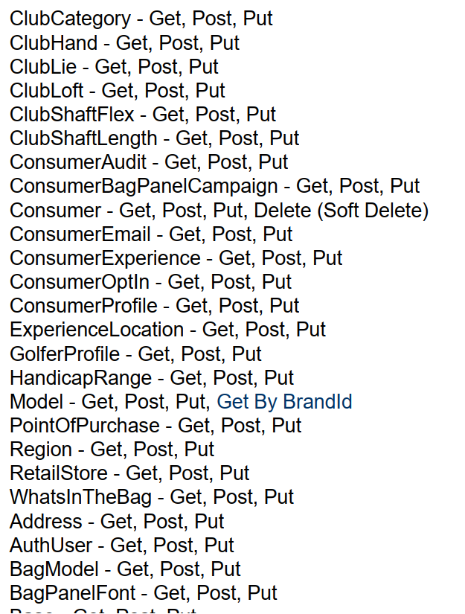
2 | AuthUser | Get, GetById, Post, Put ,Delete | Yes |  | Yes
3 | BagModel | Get, GetById, Post, Put ,Delete | Yes |  | Yes
4 | BagPanelFont | Get, GetById, Post, Put ,Delete | Yes |  | Yes
5 | Brand | Get, GetById, Post, Put ,Delete | Yes |  | Yes
6 | ClubCategory | Get, GetById, Post, Put ,Delete | Yes |  | Yes
7 | ClubCategoryType | Get, GetById, Post, Put ,Delete | Yes |  | Yes
8 | ClubHand | Get, GetById, Post, Put ,Delete | Yes |  | Yes
9 | ClubLie | Get, GetById, Post, Put ,Delete | Yes |  | Yes
10 | ClubLoftAdjustment | Get, GetById, Post, Put ,Delete | Yes |  | Yes
11 | ClubLoft | Get, GetById, Post, Put ,Delete | Yes |  | Yes
12 | ClubShaftFlex | Get, GetById, Post, Put ,Delete | Yes |  | Yes
13 | ClubShaftLength | Get, GetById, Post, Put ,Delete | Yes |  | Yes
14 | ConsumerAudit | Get, GetById, Post, Put ,Delete | Yes |  | Yes
15 | ConsumerBagPanelCampaign | Get, GetById, Post, Put ,Delete | Yes |  | Yes
16 | Consumer | Get, GetById, Post, Put ,Delete | Yes |  | Yes
17 | ConsumerEmail | Get, GetById, Post, Put ,Delete | Yes |  | Yes
18 | ConsumerExperience | Get, GetById, Post, Put ,Delete | Yes |  | Yes
19 | ConsumerOptIn | Get, GetById, Post, Put ,Delete | Yes |  | Yes
20 | ConsumerProfile | Get, GetById, Post, Put ,Delete | Yes |  | Yes
21 | ExperienceLocation | Get, GetById, Post, Put ,Delete | Yes |  | Yes
22 | Gender | Get, GetById, Post, Put ,Delete | Yes |  | Yes
23 | GolferProfile | Get, GetById, Post, Put ,Delete | Yes |  | Yes
24 | HandicapRange | Get, GetById, Post, Put ,Delete | Yes |  | Yes
25 | Model | Get, GetById, Post, Put ,Delete | Yes |  | Yes
26 | PointOfPurchase | Get, GetById, Post, Put ,Delete | Yes |  | Yes
27 | Region | Get, GetById, Post, Put ,Delete | No |  | Yes
28 | RetailStore | Get, GetById, Post, Put ,Delete | Yes |  | Yes
29 | System | Get, GetById, Post, Put ,Delete | No |  | Yes
30 | WhatsInTheBag | Get, GetById, Post, Put ,Delete | Yes |  | Yes
Specfific Web services
31 | Create Consumer | /api/Consumer/create | Yes | 1 | Yes | Email ,RegionId ,SystemId is required | Email ,RegionId is required ConsumerId is NO NEED to provided Country is required if the body have a postal code
32 | Update Consumer | /api/Consumer/update | Yes | 1 | Yes | ConsumerId ,RegionId ,SystemId | Email ,RegionId is required System Id is not required
33 | Find Consumer by Email | /api/Consumer/query | Yes | 1 | Yes | - RegionId (Guid): Required - Email(String): Required - MyFittingExp (bool): Optional. If provided will return only if MyFittingExp consumer DemandWare (bool): Optional. If provided will return only if DemandWare consumer | -regionId (Guid) : Optional -consumerId (Guid) : Optional -email (Guid) : Optional -systemId (Guid) : Optional -take (int) : Optional, -skip (int) : Optional
34 | Find Consumer by Id | /api/Consumer/query | Yes | 1 | Yes | -RegionId (Guid): Required -ConsumerId (Guid): Required -MyFittingExp (bool): Optional. If provided will return only if MyFittingExp consumer -DemandWare (bool): Optional. If provided will return only if DemandWare consumer | -regionId (Guid) : Optional -consumerId (Guid) : Optional -email (Guid) : Optional -systemId (Guid) : Optional -take (int) : Optional, -skip (int) : Optional
35 | Create WITB | /api/WhatsInTheBag/Create | Yes | 1 | Yes |  | ClubLoftId,ClubShaftFlexId,ClubShaftLengthId is renamed - moduleId is not appeared
36 | Update WITB | /api/WhatsInTheBag/update | Yes | 1 | Yes |  | ClubLoftId,ClubShaftFlexId,ClubShaftLengthId is renamed - moduleId,headLoftId is not appeared
37 | Find WITB by Consumer | N/A | No | 1 | No | Need to update to the Document guideline | could be query API
38 | Find WITB by Email | N/A | No | 1 | No | Need to update to the Document guideline
39 | Find WITB by Id | N/A | No | 1 | No | Need to update to the Document guideline
40 | Create Experience | /api/ConsumerExperience/Create | Yes | 1 | Yes
41 | Create Bag Panel | N/A | No | 1 | No | Need to update to the Document guideline
42 | Get Retail Locations | N/A | No | 1 | No | Need to update to the Document guideline
43 | Get MFE Users | N/A | No | 1 | No | Need to update to the Document guideline
45 | Create Product Registration | /api/WhatsInTheBag/Create | Yes | 1 | Yes | the same with Create WITB api | ClubLoftId,ClubShaftFlexId,ClubShaftLengthId is renamed - moduleId is not appeared
46 | Add Update Opt In | /api/ConsumerOptIn/addUpdate | Yes | 1 | Yes | 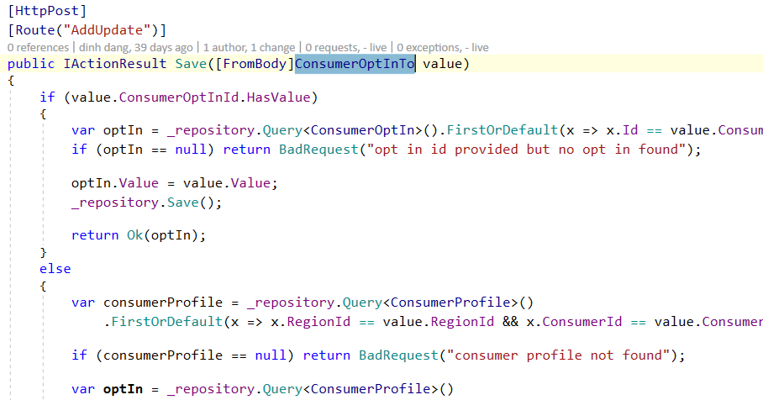 | need to point to new API in code
New Webservices
47 | BagPanelFont | create | Yes | 1 | Yes
48 | Brand | ByCategoryId | Yes | 1 | Yes
49 | ClubCategoryType | ByCategoryId | Yes | 1 | Yes
50 | ClubLoft | clubCategoryId | Yes | 1 | Yes
51 | Consumer | AddUpdate | Yes | 1 | Yes
52 | ConsumerExperience | query | Yes | 1 | Yes
53 | ConsumerOptIn | AddUpdate | Yes | 1 | Yes
54 | Model | Get By BrandId | Yes | 1 | Yes
55 | WhatsInTheBag | query | Yes | 1 | Yes

